Sheet1
1 | Bug Id: | 1
2 | Title of Bug: | When user doesn't enter name and click on Proceed button, Account is created
3 | Bug Description: | When user doesn't enter name and click on Proceed button, Account should not be created and should ask for name
4 | Steps to Reproduce: | 1) Click on Testing tab
 |  | 2) Click on Manual Testing Tab
 |  | 3) Click on "Next" Button
 |  | 4) Click on "Not having an account? Register Here" Link
 |  | 5) Enter Email Address in Email Address TextBox
 |  | 6) Enter Mobile Number in Mobile number TextBox
 |  | 7) Click on "Proceed" Button
5 | Test Case Id: | Project_001
6 | Severity: | High
7 | Priority of bug: | High
8 | Status of bug: | New
9 | Reproduciblity: | Always
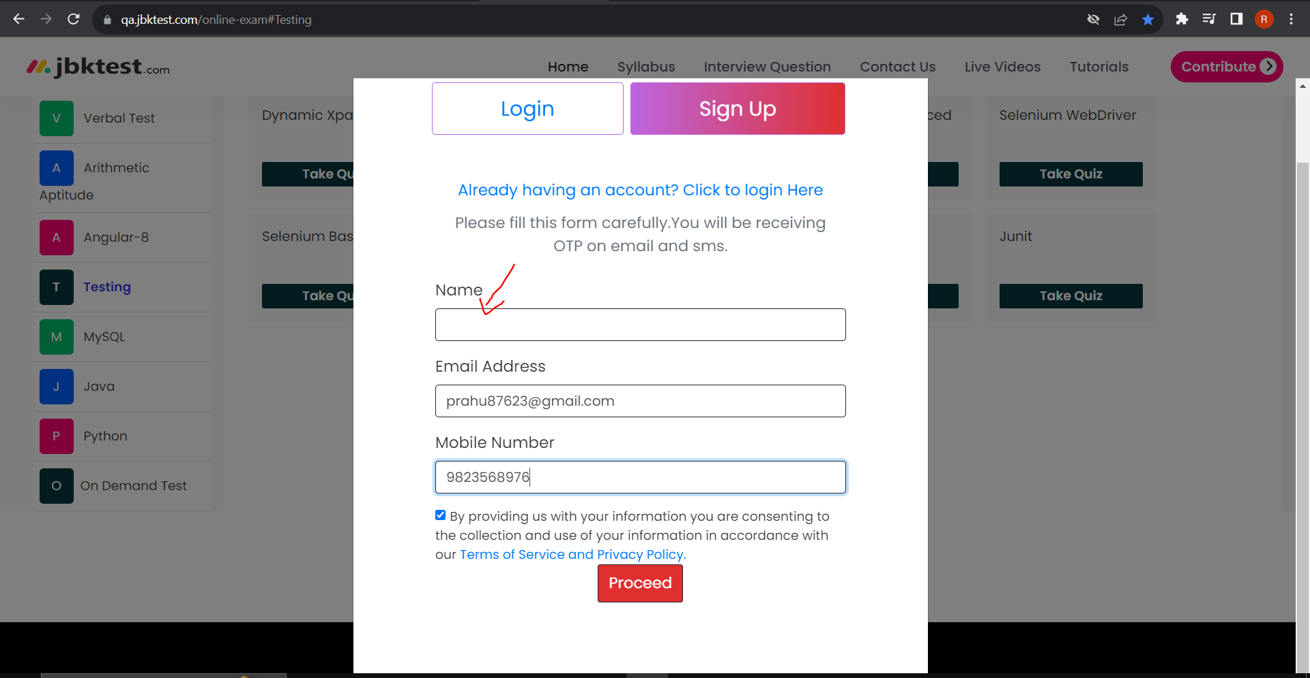
10 | Screenshot:

Sheet2
1 | Bug Id: | 2
2 | Title of Bug: | When user enter invalid Email Address and click on update button, profile is updated sucessfully
3 | Bug Description: | When user enter invalid Email Address and click on update button, profile should not be updated sucessfully and should ask to enter @ symbol followed by provider name
4 | Steps to Reproduce: | 1) Click on My Account button
 |  | 2) Click on View Profile button
 |  | 3) Enter invalid Email Address in Email Address textbox like rahul827 or 1234456
 |  | 4) Click on Update button
5 | Test Case Id: | Project_0030
6 | Severity: | Medium
7 | Priority of bug: | Medium
8 | Status of bug: | New
9 | Reproduciblity: | Always
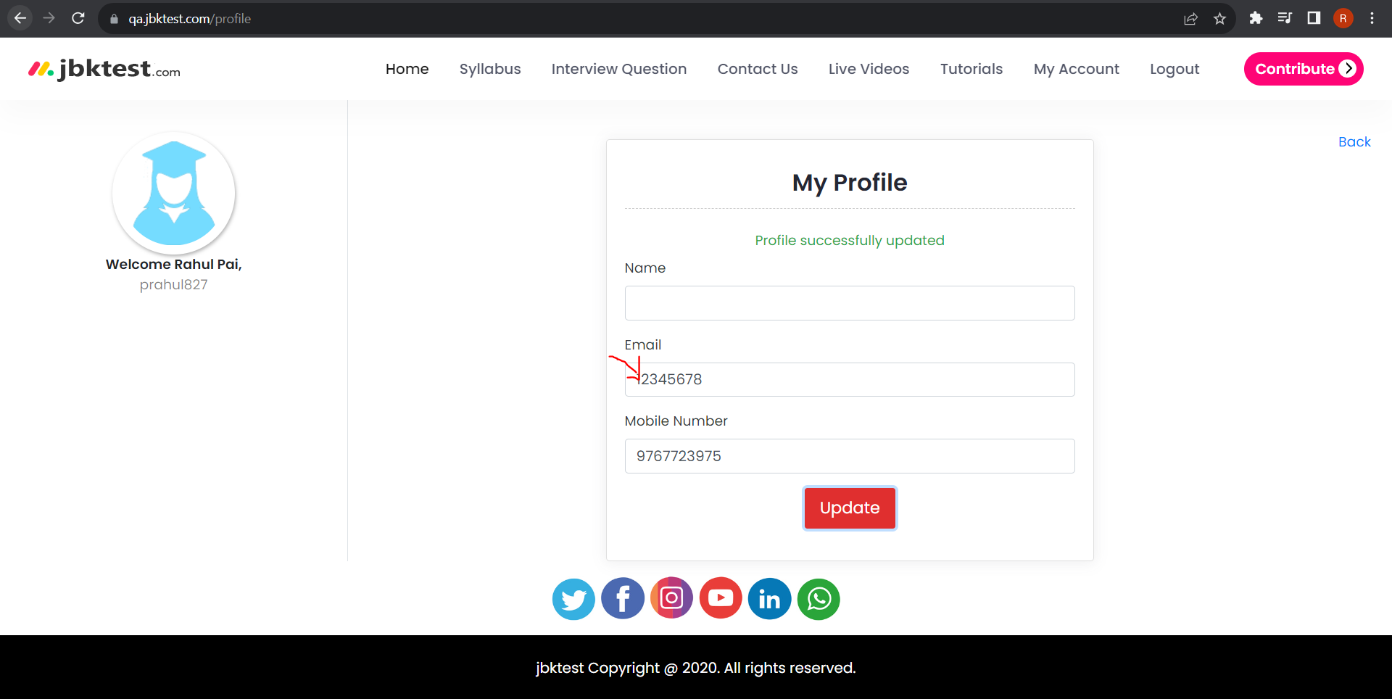
10 | Screenshot:

Sheet3
1 | Bug Id: | 3
2 | Title of Bug: | When user removes entered name and click on update button, profile is updated sucessfully
3 | Bug Description: | When user removes entered name and click on update button, profile should not be updated sucessfully and should ask for user name
4 | Steps to Reproduce: | 1) Click on My Account button
 |  | 2) Click on View Profile button
 |  | 3) Clear the username
 |  | 4) Click on Update button
5 | Test Case Id: | Project_0029
6 | Severity: | Medium
7 | Priority of bug: | Medium
8 | Status of bug: | New
9 | Reproduciblity: | Always
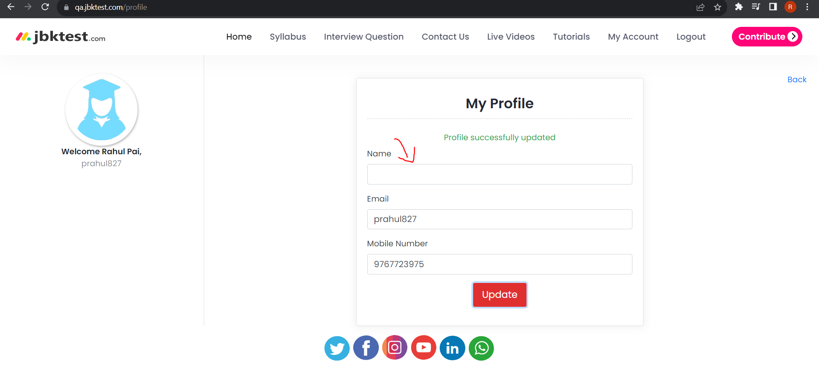
10 | Screenshot:

Sheet4
1 | Bug Id: | 5
2 | Title of Bug: | When user enter invalid name and click on update button, profile is updated sucessfully
3 | Bug Description: | When user enter invalid name and click on update button, profile should not be updated sucessfully and ask to enter valid username
4 | Steps to Reproduce: | 1) Click on My Account button
 |  | 2) Click on View Profile button
 |  | 3) Enter invalid Name in Name textbox like 123456
 |  | 4) Click on Update button
5 | Test Case Id: | Project_0029
6 | Severity: | Medium
7 | Priority of bug: | Medium
8 | Status of bug: | New
9 | Reproduciblity: | Always
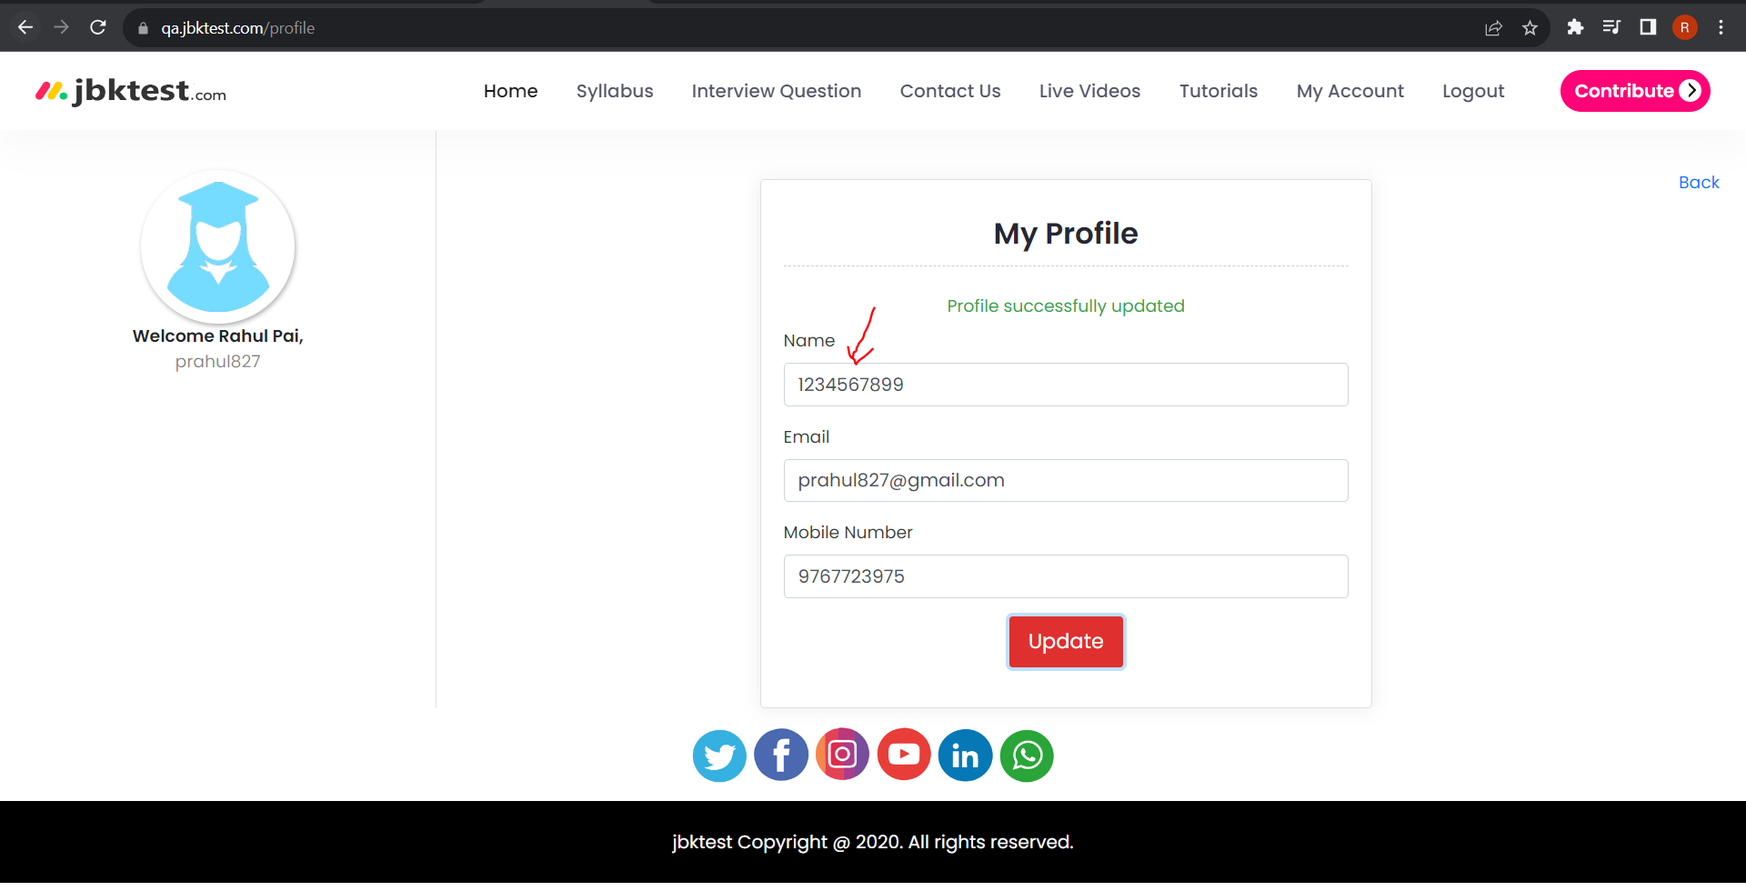
10 | Screenshot:

